6-8.Ingre&Nutrition&Allergens
6.Product Composition
Ingredients |  | Components |  | % Composition | Supplier Names |  | Country of Origin | Genetically modified?
(Including E numbers and *functions for additives) |  | (if ingredient is composed of several sub-ingredients) |  | (Please list the ingredients in descending order) | (Please list all suppliers per ingredient)
SESAME SEED OIL |  |  |  | 100.00% | HAITIAN YAN ZHUANG |  | Togo，Niger，Ethiopia | NO
 |  |  | Total | 100.00%
* If any processing aid is used, please explain here: Perlite(Pearl rock) — food grade, used as a processing aid for filtration.

*Please choose the functional of food additives from below: sweeteners / colours / preservatives / antioxidants / carriers / acids / acidity regulators / anti-caking agents / anti-foaming agents / bulking agents / bulking agents / emulsifiers / emulsifying salts / firming agents / flavor enhancers / foaming agents / gelling agents / glazing agents / humectants / modified starches / packaging gases / propellants / raising agents / sequestrants / stabilisers / thickeners / flour treatment agents / contrast enhancers

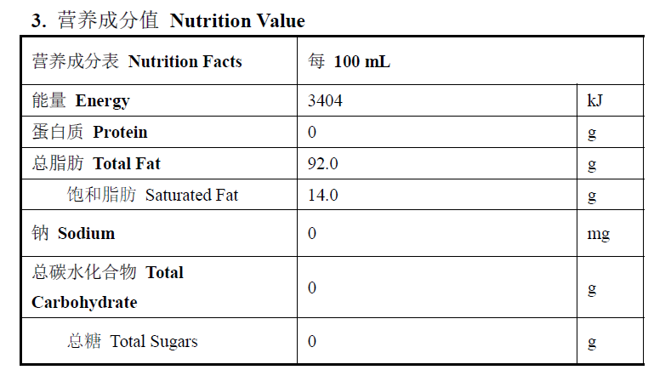
7.Nutritional Information |  | * Not Mandatory
Typical Values (g) |  | Per 100g/100ml
Energy (Kcal/KJ) |  | Kcal: 828 KJ: 3404 |  |  |  |  |  |  | 0
Fat |  | 92g
of which saturate fat |  | 14g
of which monounsaturated fat*
of which, polyunsaturated fat*
Carbohydrate |  | 0g
of which sugar |  | 0g
of which Polyols*
of which starch*
Fibre*
Protein |  | 0g
Salt |  | 0g
NOTE: Must attach lab analyses report
8.The fourteen Allergens – Regulation (EU) No 1169/2011
 | Potential Component |  |  | Product contains? | Handled on same site? | Handled on same Production line ? | Measures to prevent Cross-contamination in Place ? | PAL/May Contain statement needed?
 | *Please tick in the box |  |  | Yes/No | Yes/No | Yes/No | Yes/No | Yes/No
01 | Cereals containing gluten including wheat, Rye, Barley, Oats, Spelt & Khorasan and products thereof: |  |  | NO | NO | NO | YES | NO
02 | Crustaceans and products thereof: |  |  | NO | NO | NO | YES | NO
03 | Fish and products thereof: |  |  | NO | NO | NO | YES | NO
04 | Molluscs and products thereof: |  |  | NO | NO | NO | YES | NO
05 | Peanuts and products thereof: |  |  | NO | NO | NO | YES | NO
06 | Soybeans and products thereof: |  |  | NO | NO | NO | YES | NO
07 | Milk and products thereof: |  |  | NO | NO | NO | YES | NO
08 | Nuts and products thereof: |  |  | NO | NO | NO | YES | NO
09 | Celery and products thereof: |  |  | NO | NO | NO | YES | NO
10 | Mustard and products thereof: |  |  | NO | NO | NO | YES | NO
11 | Sesame seeds and products thereof: |  |  | YES | YES | YES | YES | N/A
12 | Sulphur Dioxide or Sulphites: |  |  | NO | NO | NO | YES | NO
13 | Lupin and products thereof: |  |  | NO | NO | NO | YES | NO
14 | Egg and products thereof: |  |  | NO | NO | NO | YES | NO

9-13.Quality Attributes
9.Chemical Standard & Harmful Contamination
Test Item Depends on the products, different pesticides, heavy metals, chemicals should be monitord. Fill in the items to be monitored according to the likely risk of contamination ; Example : Cadmium in seaweed, Acidity in sushi ginger |  | EU MRL standard/Recommendation | Country of Origin MRL Standard | COA frequency
Total Arsenic |  |  | 0.1 mg/kg | every 6 months
Lead |  |  | 0.1mg/kg | every 6 months
Mercury |  |  | 0.1mg/kg | every 12 months
Glycidyl esters 缩水甘油酯 |  | 1000 µg/kg - ppb | ≤ 1.0 mg/kg | every 12 months
3-MCPD |  | 2500 µg/kg - ppb | ≤ 1.0 mg/kg | every 12 months
10.Acrylamide
Are Products at risk of acrylamide? |  |  |  |  | NO
If Yes. What mitigation measures are in place to manage acrylamide levels with the food?
11.Radioactivity | *occurs naturally in all food and can be transferred into food in different ways eg crops from soil, drinking water from the earth, Fish and Shellfish from the water or Sea floor.
Has the product/ ingredient been irradiated? |  |  |  |  | NO
Is the product/ ingredient subject to potential radioactive cross contamination? |  |  |  |  | NO
If yes, what controls in place
Has the product/ ingredient been imported into the UK from a country that has high levels of radioactivity? |  |  |  |  | NO
If Yes, how is this controlled and what checks are carried out?
12.Microbiology Standards | *Please insert GB standard
Micro-organisms | Type | EU Standard | Country of Origin Government Standard | Manufacturer Own Standard | COA Frequency
TVC | Quality Indicator | N/A | N/A | N/A | N/A | *please clarify by filling in how many samples per day/PO rather than by each lot
Coliforms | Hygiene indicator | N/A | N/A | N/A | N/A
Escherichia coli | Hygiene indicator | N/A | N/A | N/A | N/A
Enterobacteriaceae | Hygiene indicator | <1000CFU/g | N/A | <1000CFU/g | annually
Listeria spp | Hygiene indicator | N/A | N/A | N/A | N/A
Listeria monocytogenes | Pathogens | <1000CFU/g | ND | <100 | annually
Campylobacter spp. | Pathogens | N/A | N/A | N/A | N/A
Escherichia coli O157 | Pathogens | N/A | N/A | N/A | N/A
Salmonella spp. | Pathogens | ND in 25g | ND | ND | annually
Shigella spp. | Pathogens | N/A | N/A | N/A | N/A
Vibrio cholera (O1 and O139) | Pathogens | N/A | N/A | N/A | N/A
Vibrio parahaemolyticus | Pathogens | N/A | N/A | N/A | N/A
Bacillus cereus | Pathogens | N/A | N/A | N/A | N/A
Bacillus spp. | Pathogens | N/A | N/A | N/A | N/A
Clostridium perfringens | Pathogens | N/A | N/A | N/A | N/A
Staphylococcus aureus and other coagulase-positive staphylococci | Pathogens | N/A | N/A | N/A | N/A
Yeast and Mould | Hygiene indicator | N/A | N/A | N/A | N/A
13.Acceptance and Rejection standard
Standard Product Photo & Description |  | Rejected Product Photo& Description
IE. Grading, Sizing, Appearance, Flavor/taste, Texture, Colour, smell |  | IE. Grading, Sizing, Appearance, Flavor/taste, Texture, Colour, smell
Appearance: Clear and transparent（20℃）. Colour: Orange yellow, orange red to brownish red. Flavor/Taste: Having a strong inherent flavor of sesame oil, with a good taste and no off flavor. Texture: Free from visible insoluble impurities，under long-term standing or low-temperature conditions, precipitation, cloudiness, or even freezing may occur. Smell: Having a strong inherent aroma of sesame oil. |  | Appearance: Containing visible foreign matter. Colour: Unusually dark or light, uneven color. Flavor/Taste:Having a noticeable burnt, oxidized, rancid, or other unpleasant taste. Texture: Containing visible insoluble impurities，or abnormal viscosity. Smell: Showing unpleasant, rancid, or sour odor. |  |  | 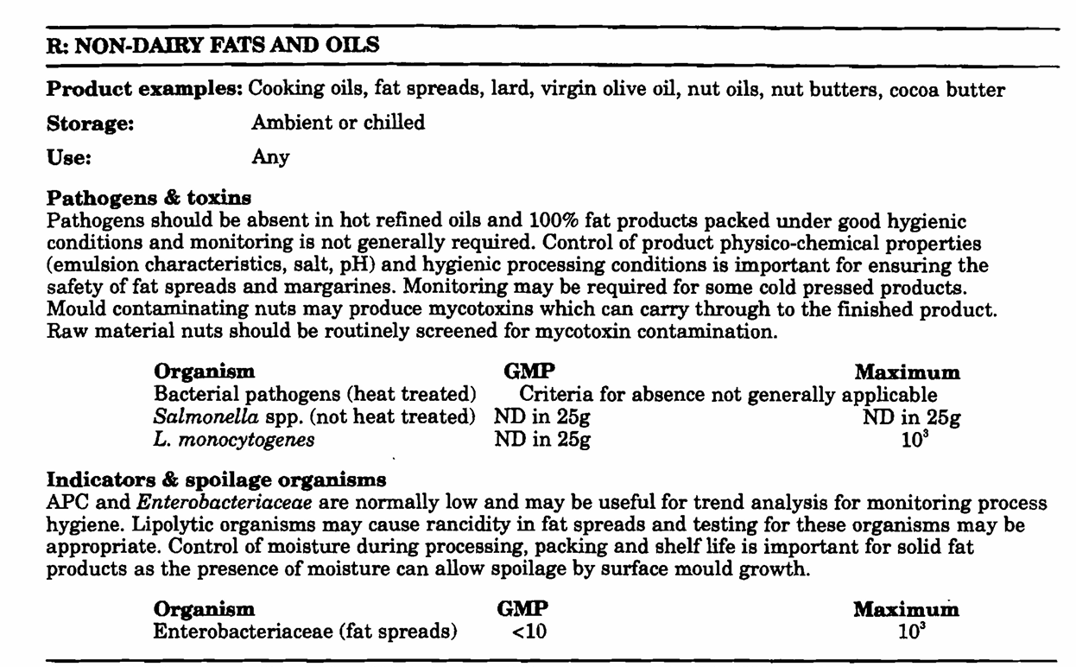

14-16.Quantity&packaging info
14.Quantity Attributes
 | Unit (kg) | Case (kg)
Unit Drained Weight (If Product contains liquid) | N/A | N/A
Net Weight | 0.46 | 5.52
Gross Weight | 0.696 | 10.5
Is the product packed in a Protective atmosphere? (if yes, indicate the composition on gases used if applicable) |  |  |  | Yes/No | NO
Is the product vacuum packed? |  |  |  | Yes/No | NO
Primary Package Plastic Material Comply with Commission Regulation (EU) No 10/2011 |  |  |  | Yes/No | N/A
15.Packaging Weight Dimensions & Container Maxi Load
 | Material (plastic, cardbaord, glass, etc) | If plastic, indicate the plastictypes from below 01-07 | Weight (g) | Dimensions (mm)
Primary | glass |  | 233g | L | 65.8
Barcode: |  |  |  | W | 65.8
 |  |  |  | H | 251
Secondary | cardboard |  | 118g | L | 80
Barcode: |  |  |  | W | 80
5060740660372 |  |  |  | H | 310
Tertiary | cardboard |  | 716g | L | 366 | 1098
Barcode: |  |  |  | W | 262 | 994
(01)35060740660373 |  |  |  | H | 337
20FCL Max Load without palletized | 882
40FCL Max Load without palletized | 1862

16.Pallet Configuration
 | UK Pallet Configuration (1.0m x 1.2m) | EU Pallet Configuration (0.8m x 1.2m)
Cases per layer | 11 | 9
Number of layers | 5 | 5
Cases/pallet | 55 | 45
Pallet height (m) | 1.685 | 1.685
Total Pallet height including pallets base 0.145m | 1.83 | 1.83
Pallet weight (kg) | 577.5 | 472.5
Pallet Top-View |  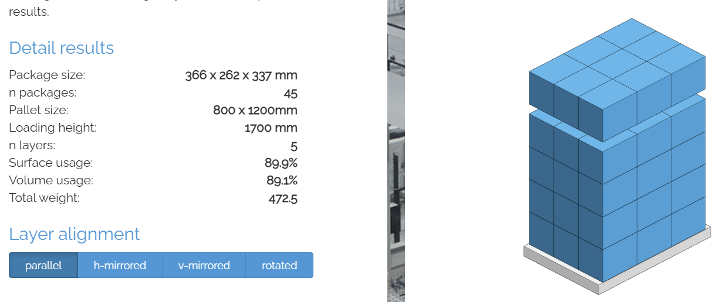
*pallet height must lower than 1.75m & gross weight under 1000kg
* Pallet itself height 14.5cm

